Source-Map
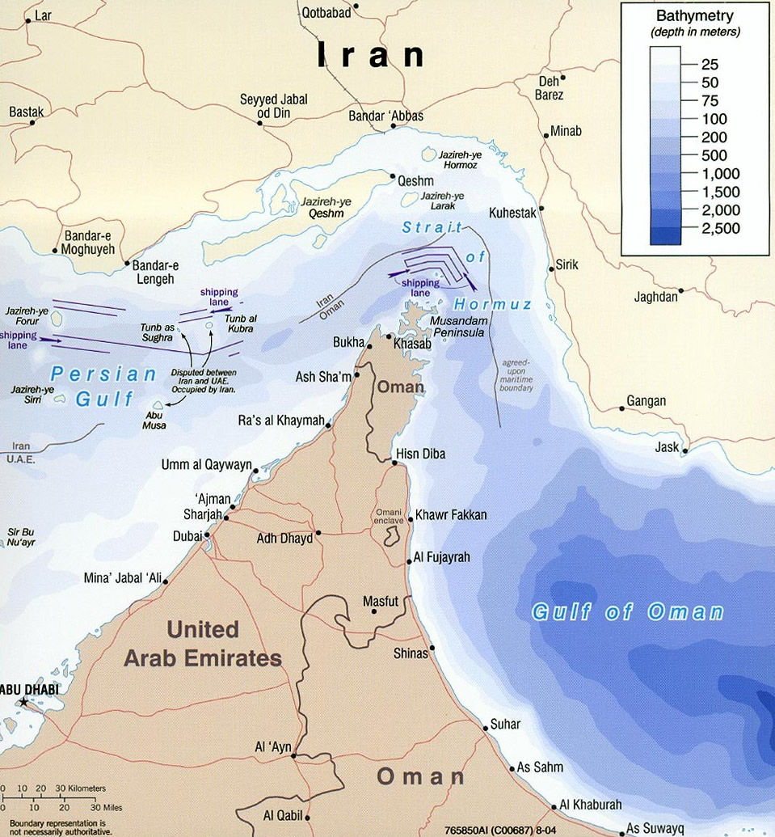
https://en.wikipedia.org/wiki/Strait_of_Hormuz#/media/File:Strait_of_hormuz_full.jpg

